Sheet1
 | Document No. |  | Issue No. |  | Issue Date |  |  | Review and Replace Date |  |  | Authorised By
 | GFF449MC |  | 1 |  | 04.07.2024 |  |  | New Issue |  |  | Magda Shah
 | Document Title |  | Isla Délice - Chicken Tikka Wrap 170g
Document amendments reason for change | New launch |  |  |  |  | Page 1 of 1 |  | Previous Issue Date | New Issue |  | Uncontrolled copy unless signed original

CCTKWL-R6TIS |  | Isla Délice |  |  |  | CHICKEN TIKKA WRAP 170G | CHILLED
Step1 |  |  |  | Step 2 |  |  |  |  |  | Step3
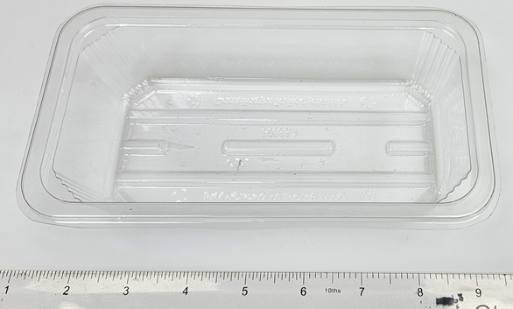 |  |  |  | 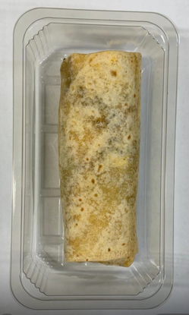 |  |  |  |  |  | 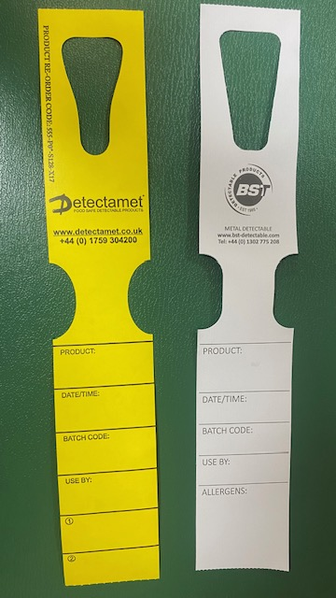

COOK + 10 DAYS

PACK
+ 1 YEAR

Tray: Wrap Tray - 180 x 100 x 47 (PKESS001-08) |  |  |  | Chicken Tikka Wrap (GFF484R) 170 g |  |  |  |  |  | Place on trolleys:-Yellow and White tags
Film: K peel 7G+25A/f-240mm (240mmX1000) (PKKMP001-08) |  |  |  |  |  |  | Total Weight: 170g
ALLERGY ALERT: BARLEY, MILK, WHEAT, SOYA, OAT

